Vlookup
Scenario:
Use the clipboard to paste items
Product code | Medicine Name | Stock level | Price
AB12 | Syndol | 400 | R 65 | Product Code | CD13
CD13 | Betapyn | 500 | R 39 | Medicine Name | Betapyn
DD12 | Pynstop | 500 | R 32 | Stock level
ES23 | Propain | 400 | R 38 | Price
D122 | Ibucop | 750 | R 48
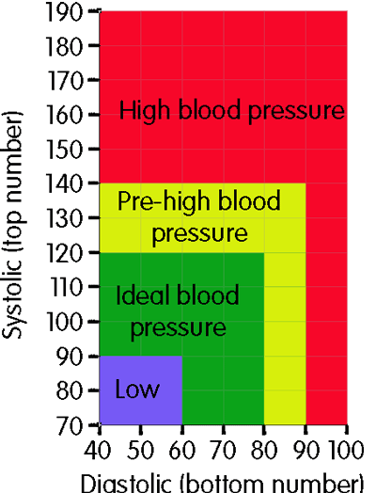
EX34 | Nurofen Plus | 50 | R 107
T44 | Adi-dol | 1000 | R 44
ES23 | Stillpane syrup | 20 | R 46
T100 | Acurate tablets | 300 | R 35

